Sheet1
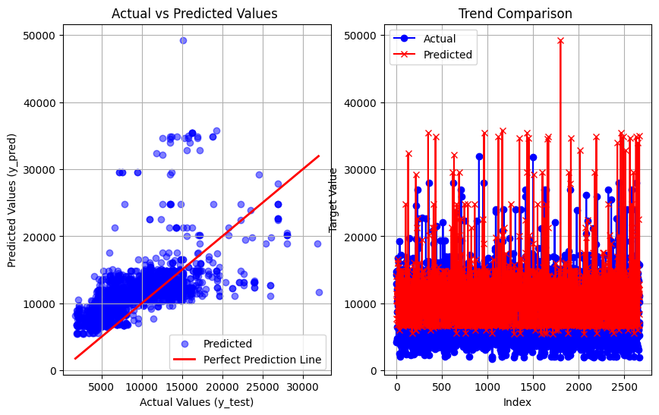
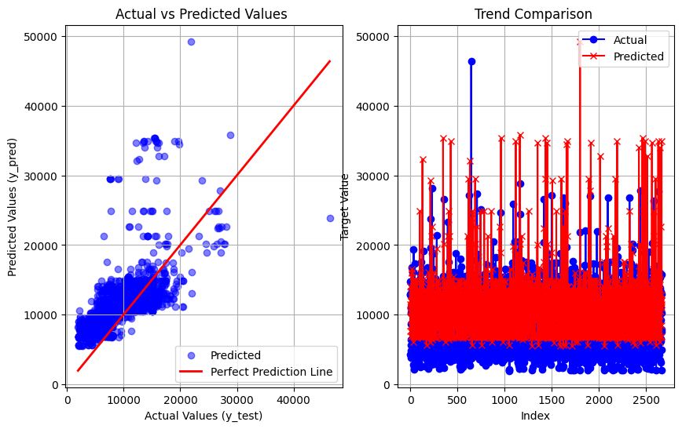
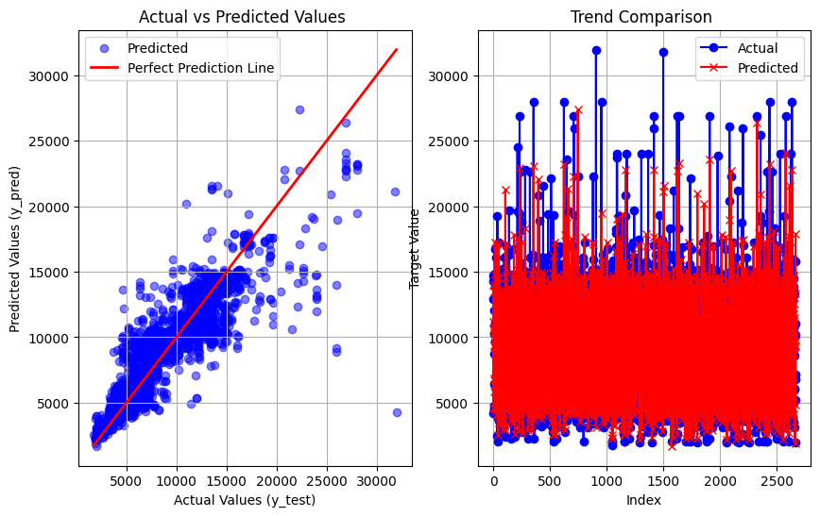
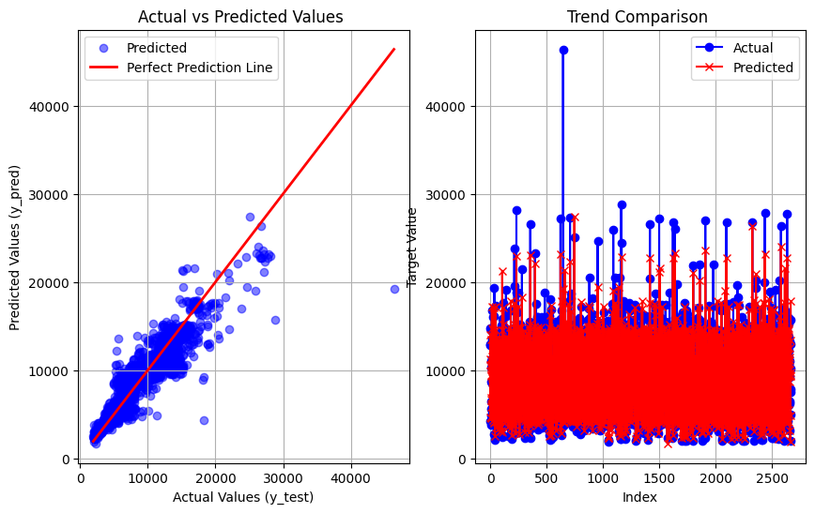
Airline Dataset (predictions on Eval data and results with respect to Decision tree and Random forest)

Decision Tree vs Random Forest | Random Forest vs Decision Tree | Linear Regression vs Decision Tree and Random forest (in order) | Linear Regression vs Decision Tree and Random forest (in order)

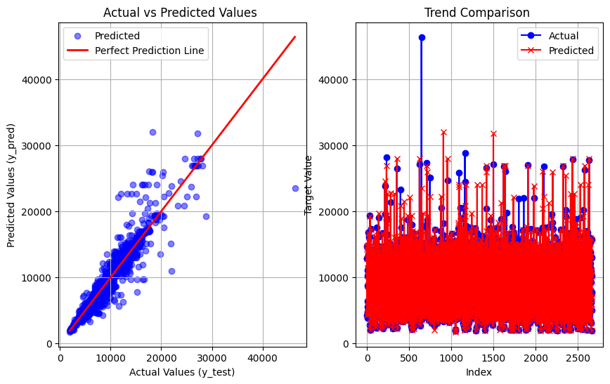
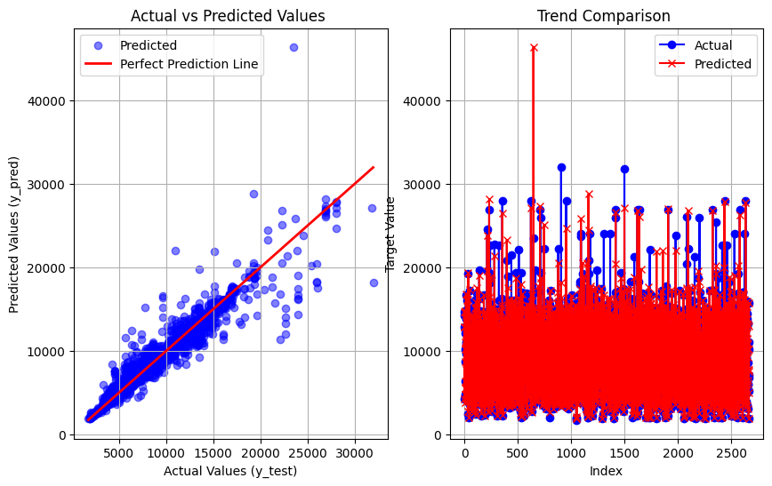
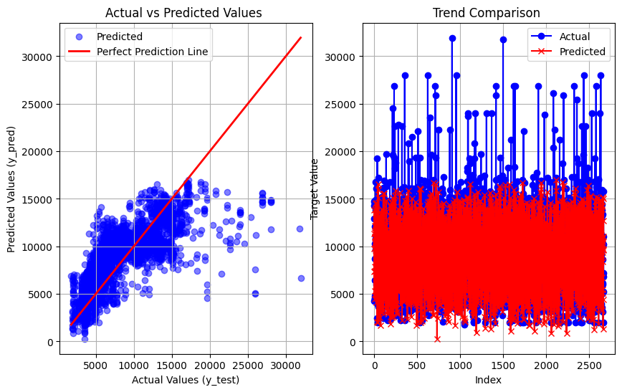
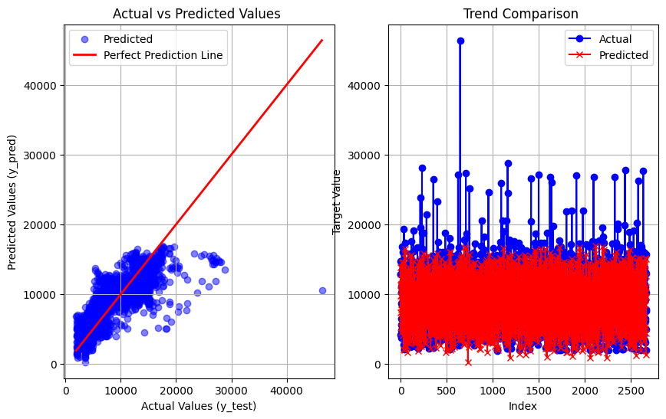

SVR vs Decision Tree and Random forest (in order) | SVR vs Decision Tree and Random forest (in order) | KNN vs Decision Tree and Random forest (in order) | KNN vs Decision Tree and Random forest (in order)

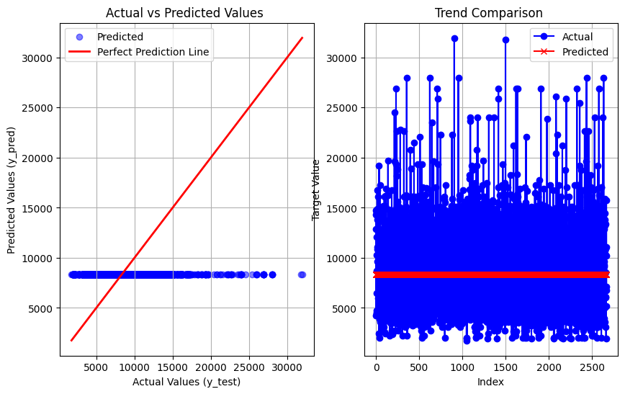
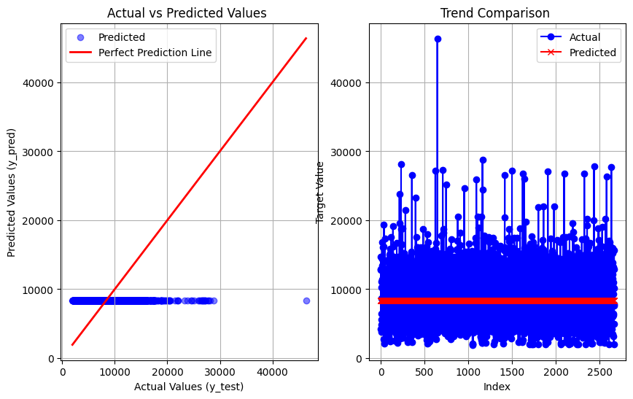
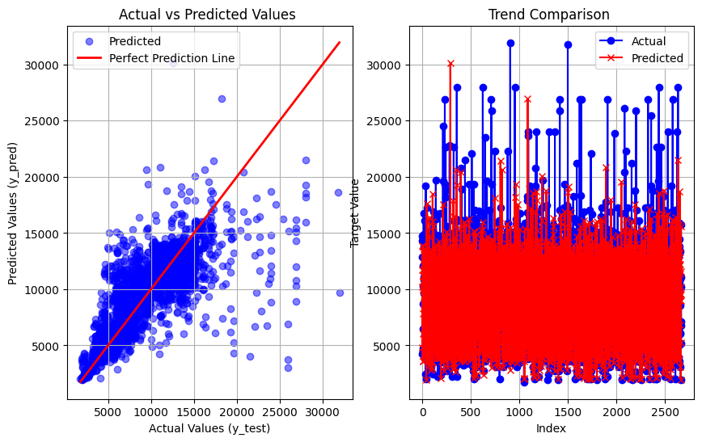
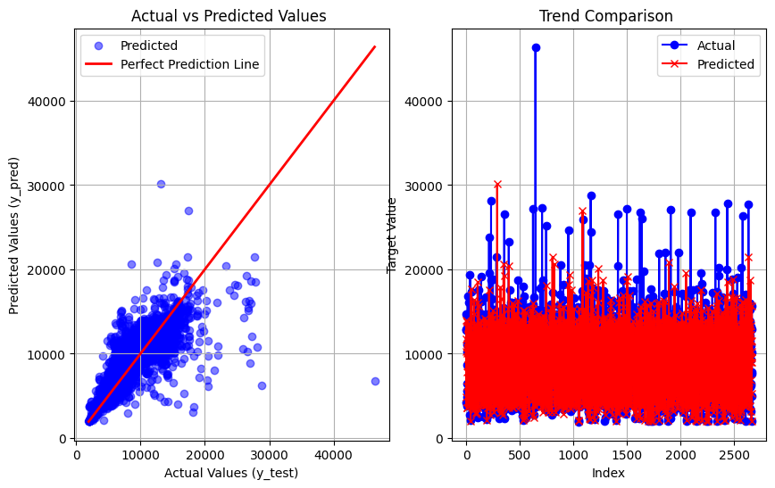

Adaboost vs Decision Tree and Random forest (in order) | Adaboost vs Decision Tree and Random forest (in order) | Gradient boost vs Decision Tree and Random forest (in order) | Gradient boost vs Decision Tree and Random forest (in order)

